How VLOOKUP Works
VLOOKUP returns a result based on a lookup value.
Question: What is the price of a Caffe Mocha size Grande?
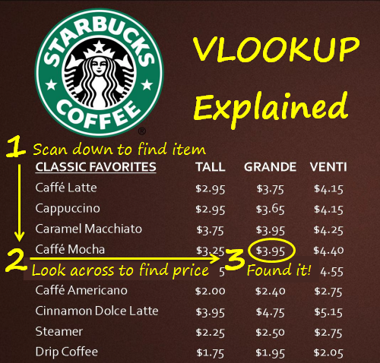

Always looks to the Right!

Full Article:
http://www.excelcampus.com/functions/excel-vlookup-explained/

VLOOKUP Example
VLOOKUP - Simple Example


CLASSIC FAVORITES | TALL | GRANDE | VENTI
Caffe Latte | $2.95 | $3.75 | $4.15
Cappuccino | $2.95 | $3.65 | $4.15
Caramel Macchiato | $3.75 | $3.95 | $4.25
Caffe Mocha | $3.25 | $3.95 | $4.40
White Chocolate Mocha | $3.45 | $4.15 | $4.55
Caffe Americano | $2.00 | $2.40 | $2.75
Cinnamon Dolce Latte | $3.95 | $4.75 | $5.15
Steamer | $2.25 | $2.50 | $2.75
Drip Coffee | $1.75 | $1.95 | $2.05

Question: What is the price of a Caffe Mocha, size Grande?

Caffe Mocha | 3.95

VLOOKUP Returns First Match
VLOOKUP - Stops at First Match

CLASSIC FAVORITES | TALL | GRANDE | VENTI
Caffe Latte | $2.95 | $3.75 | $4.15
Cappuccino | $2.95 | $3.65 | $4.15
Vlookup STOPS when it finds the first match.
White Chocolate Mocha | $3.45 | $4.15 | $4.55
Caffe Mocha | $3.25 | $3.95 | $4.40
Caramel Macchiato | $3.75 | $3.95 | $4.25
Caffe Mocha | $2.25 | $2.50 | $2.75
Sort Ascending is NOT required for exact match VLOOKUP
Cinnamon Dolce Latte | $3.95 | $4.75 | $5.15
Steamer | $2.25 | $2.50 | $2.75
Drip Coffee | $1.75 | $1.95 | $2.05

Question: What is the price of a Caffe Mocha, size Grande?

Caffe Mocha | 3.95

Absolute References
VLOOKUP - Absolute References

CLASSIC FAVORITES | TALL | GRANDE | VENTI
Caffe Latte | $2.95 | $3.75 | $4.15
Cappuccino | $2.95 | $3.65 | $4.15
Caramel Macchiato | $3.75 | $3.95 | $4.25
Caffe Mocha | $3.25 | $3.95 | $4.40
White Chocolate Mocha | $3.45 | $4.15 | $4.55
Caffe Americano | $2.00 | $2.40 | $2.75
Cinnamon Dolce Latte | $3.95 | $4.75 | $5.15
Steamer | $2.25 | $2.50 | $2.75
Drip Coffee | $1.75 | $1.95 | $2.05

Question: How much will this order cost for size Grandes?

Always Anchor the Table Array range reference by pressing F4 on the keyboard.
 | Grande
Caffe Mocha | $3.95
Cinnamon Dolce Latte | $4.75
Caffe Latte | $3.75
Drip Coffee | $1.95
Total | $14.40

Relative Column Index
VLOOKUP - The Column Index is Relative to the Table Array

CLASSIC FAVORITES | TALL | GRANDE | VENTI
Caffe Latte | $2.95 | $3.75 | $4.15
Cappuccino | $2.95 | $3.65 | $4.15
Caramel Macchiato | $3.75 | $3.95 | $4.25
Caffe Mocha | $3.25 | $3.95 | $4.40
White Chocolate Mocha | $3.45 | $4.15 | $4.55
Caffe Americano | $2.00 | $2.40 | $2.75
Cinnamon Dolce Latte | $3.95 | $4.75 | $5.15
Steamer | $2.25 | $2.50 | $2.75
Drip Coffee | $1.75 | $1.95 | $2.05

Question: What is the price of a Caffe Mocha, size Grande?
The Column Index Number is relative to the Table Array range, not the worksheet columns.
Caffe Mocha | 3.95

